Instructions
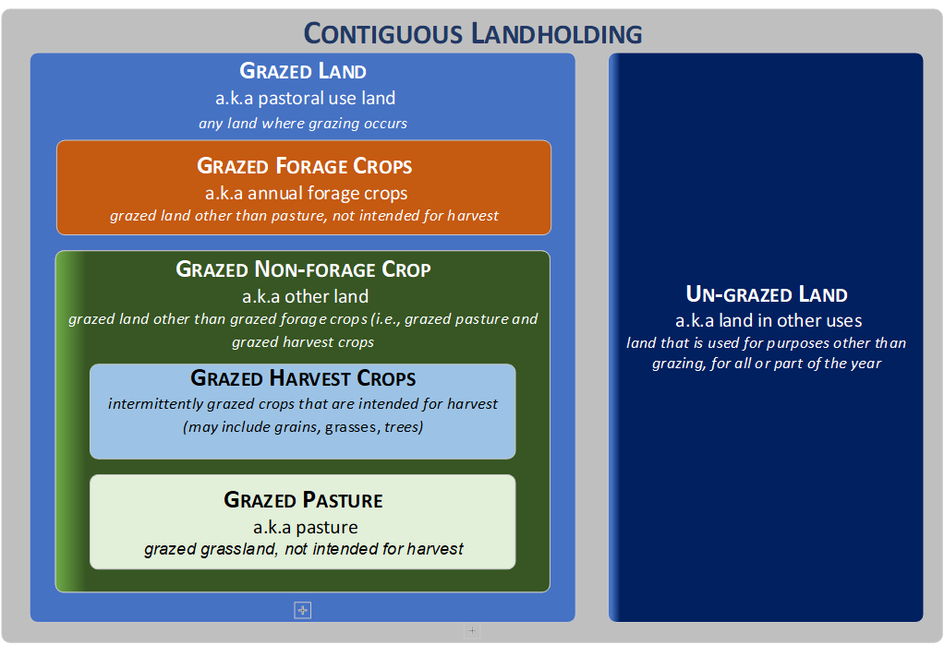
How to use this basic synthetic fertiliser spreadsheet to calculate your N_Cap application rate

LAND CATEGORIES
There is a separate tab for each land type to enter the details.
Each Tab has a description of the land category.
Each tab will sum up the fertiliser applied details, however you need to enter the total area for each land category.

RECORDING FERTILISER APPLICATION
Enter your fertiliser applications, this could be by single paddock, multiple paddocks or by month as long as the applied rate is the same. The Example tab, shows you some of the options of how to record the fertiliser application.

You can use the Fertiliser Names tab to find common fertiliser names and the associated % of Nitrogen in each or enter your own details.
These totals will be displayed on the summary tab, which will give you the average application rate for each land category you need to report on.

SUMMARY TAB
This tab displays the totals from each land category tab and the overall calculations to be reported.
You will need to enter your total area for the contiguous landholding in the summary tab and you can enter a farm name if you wish.
You also need to save a copy of this file for your records.

CELL COLOUR MEANINGS
Data entry field
Calculated field and needed for reporting
Calculated field based on the data entered

Note: Sheets are locked / proected so you can only enter data in certain fields. If you wish to unprotect the tab the password is 'n-cap' This spreadsheet is a guide to help you calculate the N_Cap application rates, additional information is needed to complete all reporting requirements. | Contiguous Landholding: A contiguous landholding is any block of joined-up land belonging to a farming operation. Any blocks separated from each other by land (excluding road, rail, stream or river) that does not belong to the farm operation is considered to be a separate contiguous landholding.

Password to unprotect cells: n-cap

